Dashboard
Fruit And Vegetables Price Of 2022 Dashboard

 | Canned Value Lable | Canned Price
 | 3.4328 | 3.4328
 |  | 13.2071
 | Canned Value Lable | Canned Price
 | 4.2605 | 4.2605
 |  | 18.8677
 | Fresh Form Lable | Fresh Form Price
 | 3.516 | 3.516
 |  | 18.8677
 | Dried Form Lable | Dried Form Price
 | 7.4854 | 7.4854
 |  | 18.8677
 | Frozen Form Lable | Frozen Form Price
 | 3.6058 | 3.6058
 |  | 18.8677
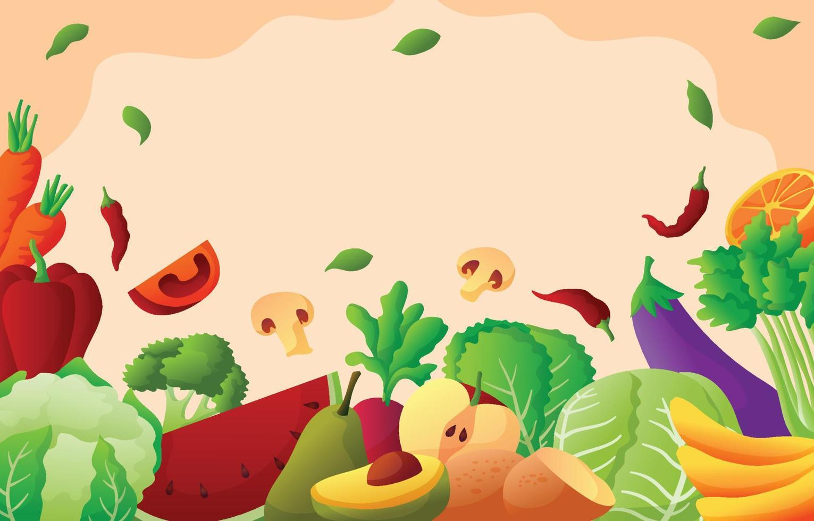

Vegetable Price Per Pound
Canned
Freshed
Dried
Frozen
Fruit Price Per Pound
Frozen
Dried
Fresh
Canned

 | Fresh Form Lable | Fresh Form Price
 | 2.9531 | 2.9531
 |  | 13.2071

 | Dried Form Lable | Dried Form Price
 | #N/A | #N/A
 |  | 13.2071

 | Frozen Form Lable | Frozen Form Price
 | 6.8212 | 6.8212
 |  | 13.2071
 | Frozen Form Lable | Juice Form Price
 | #N/A | #N/A
 |  | 18.8677
 | Sum of CupEquivalentSize | Sum of CupEquivalentPrice
Canned | 0.3968 | 2.0958
Fresh | 0.3968 | 2.3731
Frozen | 0.3968 | 2.6191
 | Sum of CupEquivalentSize | Sum of CupEquivalentPrice
Dried | 0.1543 | 1.1552
Fresh | 0.3086 | 0.6658
Fresh | 0.3417 | 0.7755
Frozen | 0.3307 | 1.1924
Canned | 0.5401 | 1.2155
Canned | 0.4409 | 1.3636

Juice

Sum Of Cupequivalent Price & Size For Vegetable
Sum Of Cupequivalent Price & Size For Fruit

